Sheet1
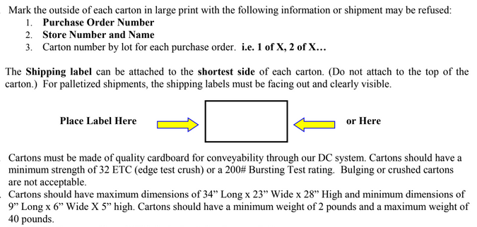
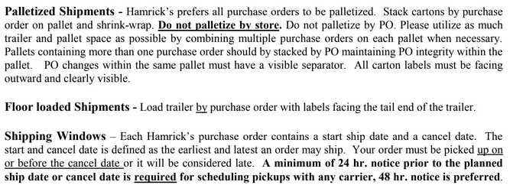
HAMRICKS

PICK TICKET CHECK LIST |  |  |  |  | PO# 264867
 |  |  |  |  | PT# 1751891
TICKETING

ROUTING |  |  |  | SHIP VIA: ROUTING

CARTON MARKING

PO # MUST BE ON ALL BOXES
STORE# and STORE NAME
STYLE
COLOR
QTY

CUSTOMER STYLE | OUR STYLE | COLOR | QTY | PT #
EHH342-42 | AX1097SET-42 | 100 | 114 | 1751891
EHH398-42 | W3WM00751-42 | 003 | 576 | 1751891
EHH407-42
EHH342-42
EHH398-42
EHH407-42
EHH342-42
EHH398-42
EHH407-42
EHH342-42
EHH398-42
EHH407-42
EHH342-42
EHH398-42
EHH407-42
EHH342-42
EHH398-42
EHH407-42
WMH3274E-42
WMH12101K-42
WMH3274E-42
WMH12101K-42
WMH3274E-42
WMH12101K-42
WMH12101K-42
WMH12101K-42
WMH3274E-42
WMH3274E-42
WMH12101K-42
WMH3274E-42
WMH12101K-42
WMH12101K-42
WMH3274E-42
WMH12101K-42
WMH12101K-42
WMH12101K-42
WMH12101K-42
WMH12101K-42
WMH3274E-42
WMH12101K-42
WMH12101K-42
WMH3274E-42
WMH12101K-42
WMH12101K-42
WMH3274E-42
WMH12101K-42
WMH3274E-42
WMH3274E-42

